Sheet4
Entity | (Multiple Items)

Row Labels | Sum of Electricity from fossil fuels (TWh) | Sum of Electricity from nuclear (TWh) | Sum of Electricity from renewables (TWh)
2018 | 74.89 | 0 | 1.4
Grand Total | 74.89 | 0 | 1.4

 |  |  | Point of Analysis:
 |  |  | Compare the sources of electricity
 |  |  | comes from different sources like
 |  |  | fossils fuels, nuclear energy, renewable energy

Sheet5
Access to electricity
Sum of Access to electricity (% of population) | Column Labels
Row Labels | Bahamas | Bangladesh | Benin | Grand Total
2018 | 100 | 91.8 | 39.246918 | 231.046918
Grand Total | 100 | 91.8 | 39.246918 | 231.046918

Point of analysis:
it will compare what percentage of population are accessible to
electricity in different years

Sheet6
 | Sum of Primary energy consumption per capita (kWh/person) | Column Labels
 | Row Labels | 2018 | Grand Total
 | Bahamas | 39876.79 | 39876.79
Point of analysis: | Bangladesh | 2630.0278 | 2630.0278
it will compare energy consumption | Benin | 2736.8003 | 2736.8003
year wise of different country | Grand Total | 45243.6181 | 45243.6181
Primary Enegy Consumption

Sheet7
Sum of gdp_per_capita | Column Labels
Row Labels | Bahamas | Bangladesh | Benin | Grand Total
2018 |  | 1698.132081 | 1241.825298 | 2939.957379
Grand Total |  | 1698.132081 | 1241.825298 | 2939.957379

Gdp per capita Comparison
 | Bahamas | Bangladesh | Benin
2018 |  | 1698.132081 | 1241.825298

Point of analysis:
It will compare Gdp per capita
of different county year wise

Sheet12
 | Sum of Value_co2_emissions_kt_by_country | Column Labels
Point of analysis: | Row Labels | Bahamas | Bangladesh | Benin | Grand Total
How different countries control their | 2018 |  | 83449.99695 | 7420.000076 | 90869.997026
carbon emission in different years | Grand Total |  | 83449.99695 | 7420.000076 | 90869.997026

CO2 emission
 | Bahamas | Bangladesh | Benin
2018 |  | 83449.99695 | 7420.000076

Sheet13
 | Sum of gdp_growth | Column Labels
 | Row Labels | Bahamas | Bangladesh | Benin | Grand Total
Point of Analysis: | 2018 |  | 7.86375358 | 6.697259461 | 14.561013041
Compare GDP growth rate of | Grand Total |  | 7.86375358 | 6.697259461 | 14.561013041
different countries year wise

GDP growth rate
 | Bahamas | Bangladesh | Benin
2018 |  | 7.86375358 | 6.697259461

Dahboard
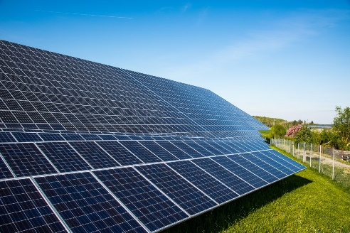
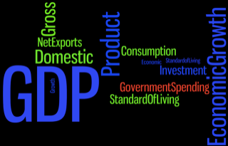
Sustainable Energy Trends
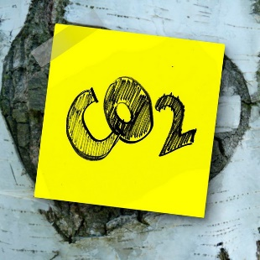

Select Year
GDP growth rate
 | Bahamas | Bangladesh | Benin
2018 |  | 7.86375358 | 6.697259461
CO2 emission
 | Bahamas | Bangladesh | Benin
2018 |  | 83449.99695 | 7420.000076
Select Country

GDP per capita Comparison
 | Bahamas | Bangladesh | Benin
2018 |  | 1698.132081 | 1241.825298
Primary Enegy Consumption
 | 2018
Bahamas | 39876.79
Bangladesh | 2630.0278
Benin | 2736.8003

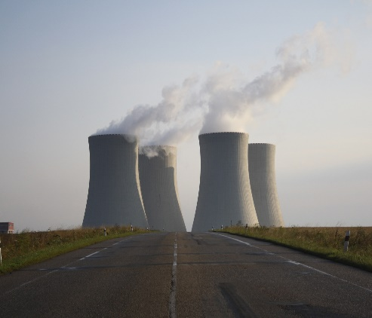
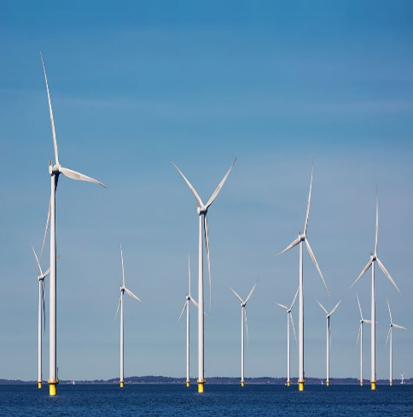
Access to electricity
 | Bahamas | Bangladesh | Benin
2018 | 100 | 91.8 | 39.246918
 | Sum of Electricity from fossil fuels (TWh) | Sum of Electricity from nuclear (TWh) | Sum of Electricity from renewables (TWh)
2018 | 74.89 | 0 | 1.4

